Settings
Settings

Kitters | Initials | Auditors | Initials | Kit Type
Extra Kitter | EK | Extra Auditor | EA | Sample 1
Sample Kitter | SK | Sample Auditor | SA | Sample 2
 |  |  |  | Sample 3
ALWAYS click here if you add or take out a person from the Kitters, Auditors, or Kit Type tables!
 |  |  |  | Sample 4
 |  |  |  | Sample 5
 |  |  |  | Sample 6
 |  |  |  | Sample 7
 |  |  |  | Sample 8

Help Notes
Help

To Add a Kitter or Auditor in the System: | Duplicates:

Duplicate Kits
Step 1: Type the person's name in an empty space under the "Kitters" or "Auditors" column

 |  | Duplicate Kits: If you see highlights like these in your Boat # section, you have entered duplicate kit numbers. Check your Area, Boat #, and Boat Type columns for duplicates that do not belong.

Step 2: Then, under the "Initials" column next to it, type the person's initials.
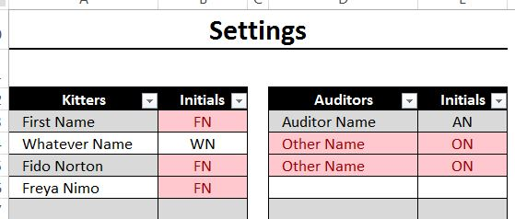
Duplicate
Duplicate
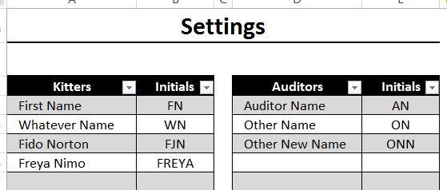
FIXED

Step 3: Lastly, click on the "Organize" button. This will organize the Kitters and Auditors according to alphetical number.
 |  | Duplicate Names: If you see highlights like these in your Settings tables, you have entered duplicate names or initials. To fix this, first make sure you have entered the correct name or initial. If it is correct, then you must change one of the names or initials. A suggestion for fixing this problem is to add a middle initial to the name or initials.

NOTE: it is EXTREMELY important that you click the Organize button after adding or taking out a person in the Kitters or Auditors tables. If you do not, the system may not run like it should

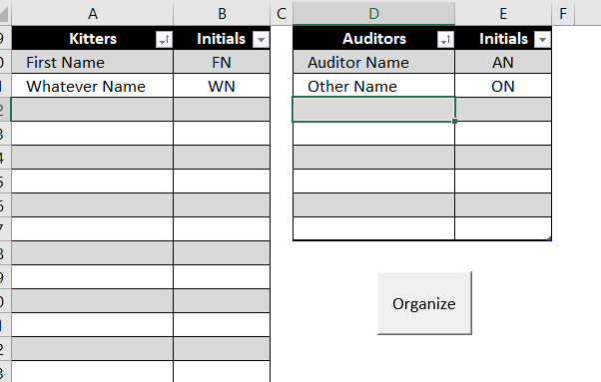
Click Here

